Apollo3 Ball Map
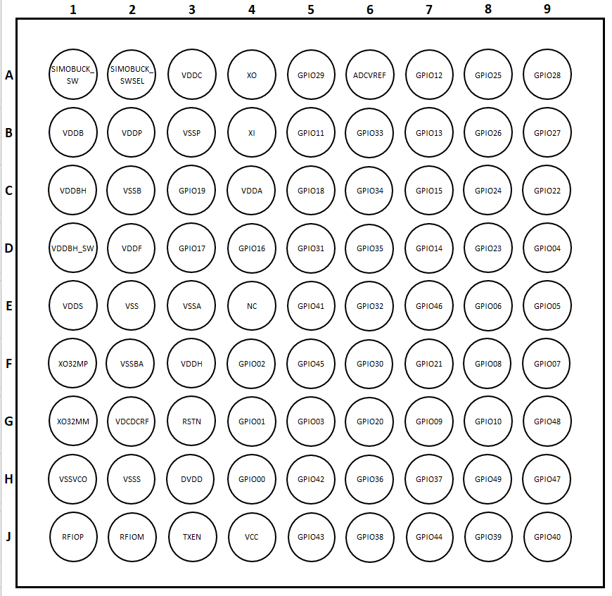
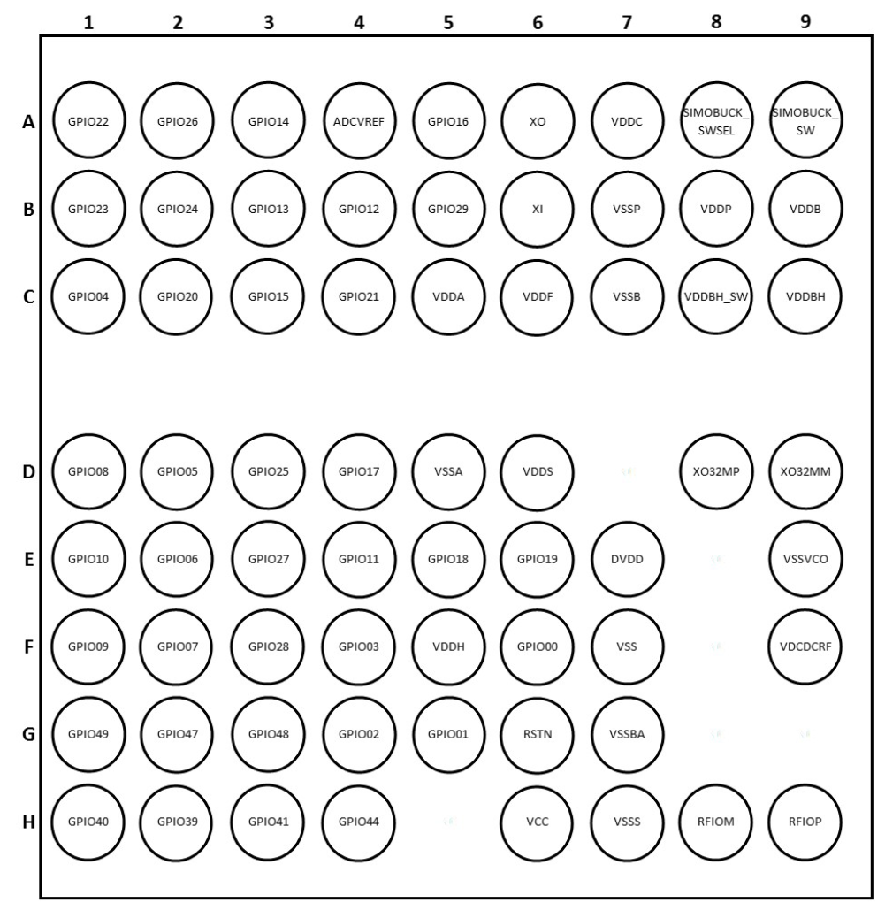
Apollo3 BGA Ball Map | Apollo3 CSP Ball Map

